Active_Substance_Input
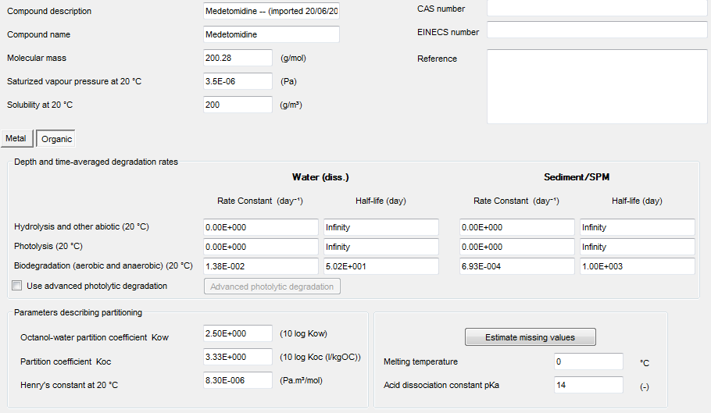
Marine Compartment

Environmental Emission Scenarios for Product Type 21: Biocides used as antifouling products

Active Substance Parameters

Compound Name | Medetomidine

