Copper_Input_Parameters
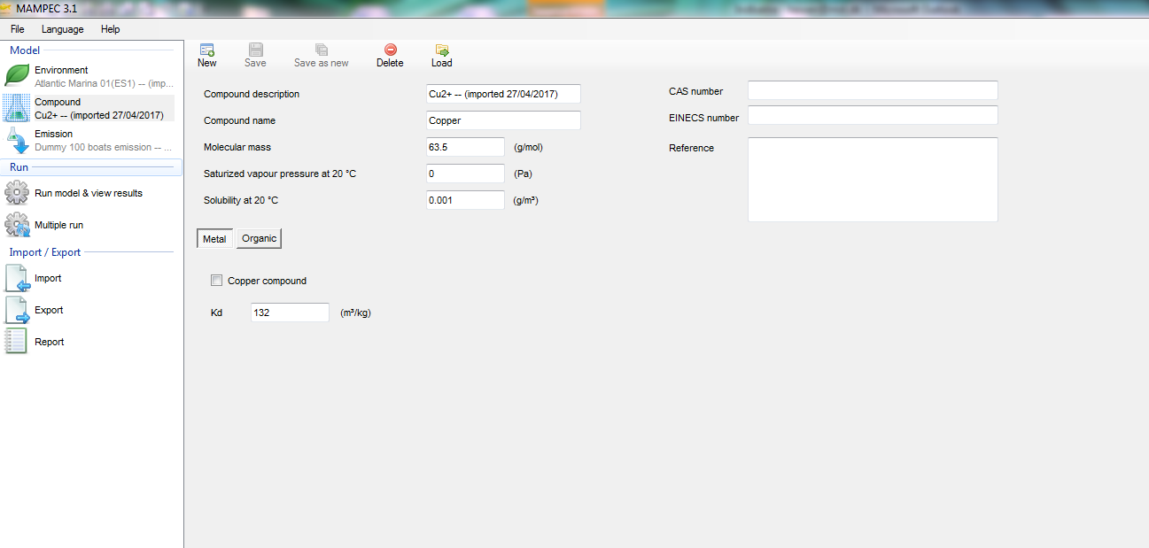
Marine Compartment

Environmental Emission Scenarios for Product Type 21: Biocides used as antifouling products

Active Substance Parameters

Compound Name | Copper

Pyrithione_Input_Paramaters
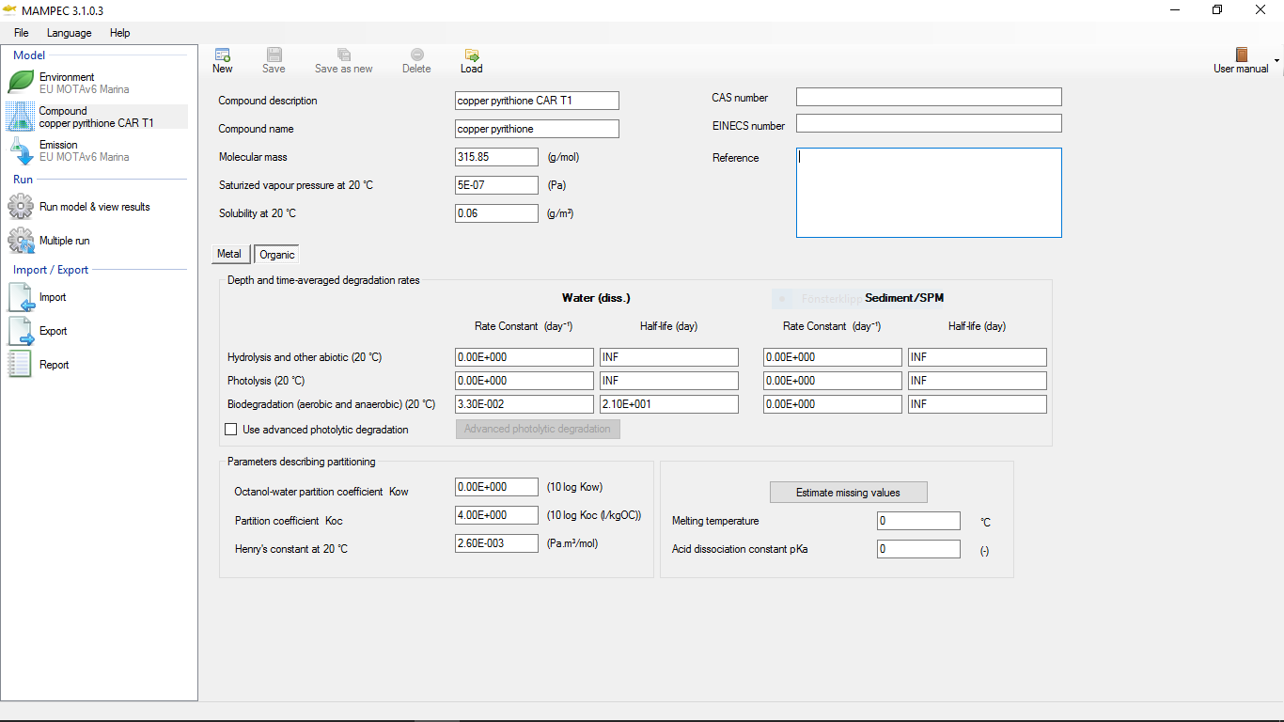
Marine Compartment

Environmental Emission Scenarios for Product Type 21: Biocides used as antifouling products

Active Substance Parameters

Compound Name | Pyrithione

